Test Case
Test ID 1#
Precondition | Environment: Laptop, Windows 10 Pro, Google Chrome Browser. User is on: https://html.aaee.by/goodfood/
 | Steps to reproduce | Expected Result | Status | Screenshot
1. | Place the cursor on the menu "Catalog" | Products types are opened | Pass
2. | Place the cursor for each type of products | Products open opposite product types | Fail | 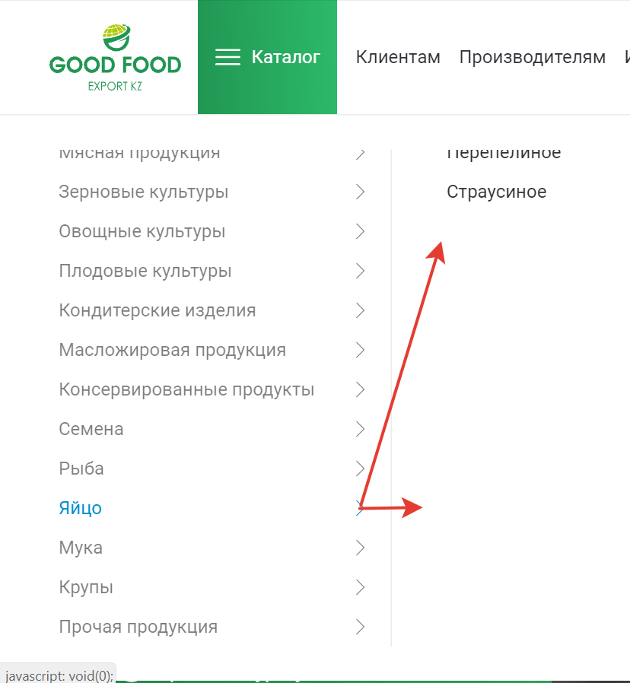
3. | Click on the "Clients" tab | The page "Clients" open | Pass
4. | Enter personal information for cooperation | Information entered | Pass
5. | Checking the operation of the drop-down menu | The drop-down menu works | Pass
6. | Click on the "For manufacturers" tab | The page "For manufacturers" open | Pass
7. | Click on the "Investors" tab | The page "Investors" open | Pass
8. | Click on the "About company" tab | The page "About company" open | Pass
9. | Click on the "Events" tab | The page "Events" open | Blocked | 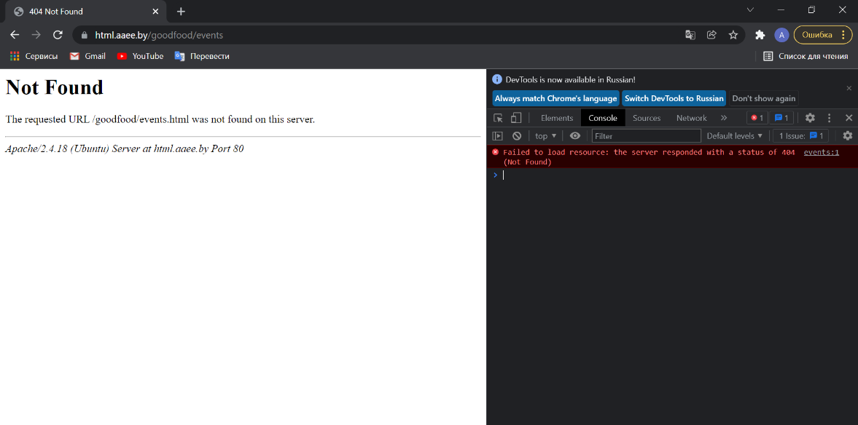
10. | Click on the "Contacts" tab. Enter information for Feedback. | Page "Contacts" open. Сorrect work of validation. | Fail | 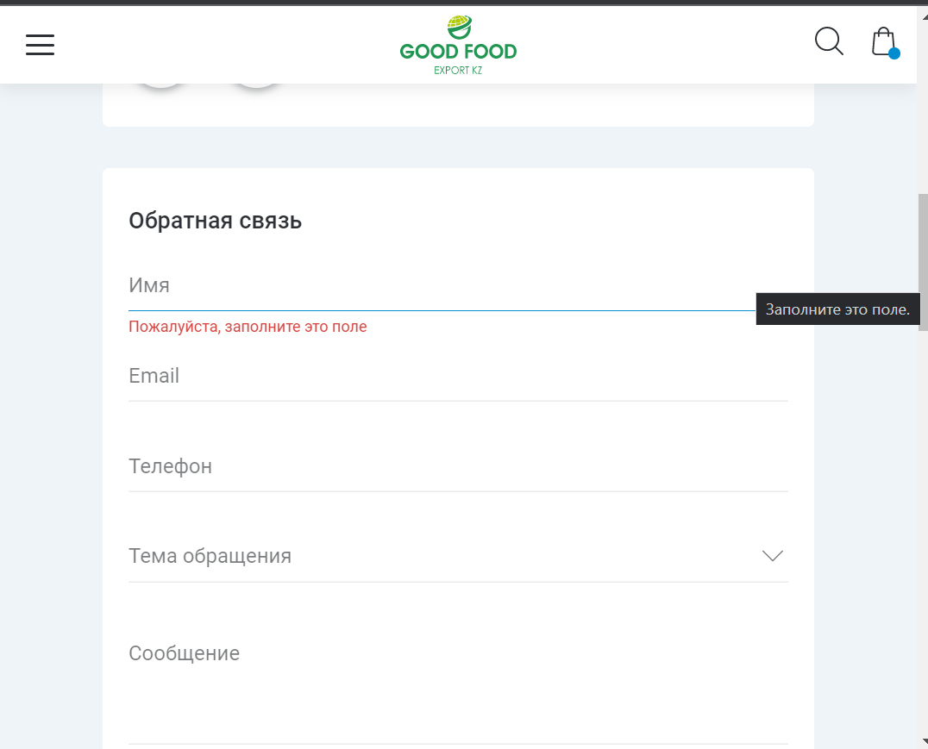
11. | Click on "Leave a request" | Page "Leave a request" open | Blocked | 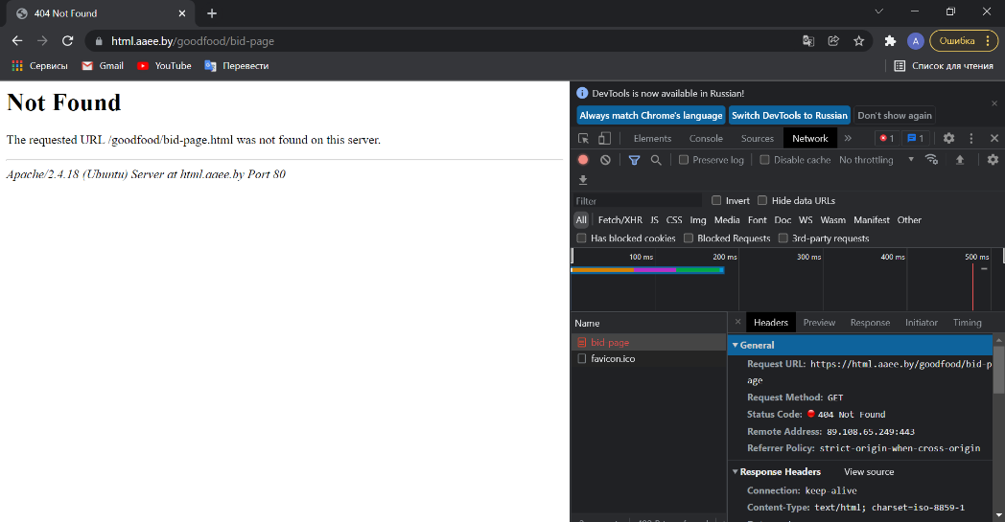

Test ID 2#
Precondition | Environment: IPhone, IOS 15.1, Safari. User is on: https://html.aaee.by/goodfood/

1. | Open web-page, menu "Catalog". | Web-page and menu are open.Works correctly. | Pass | 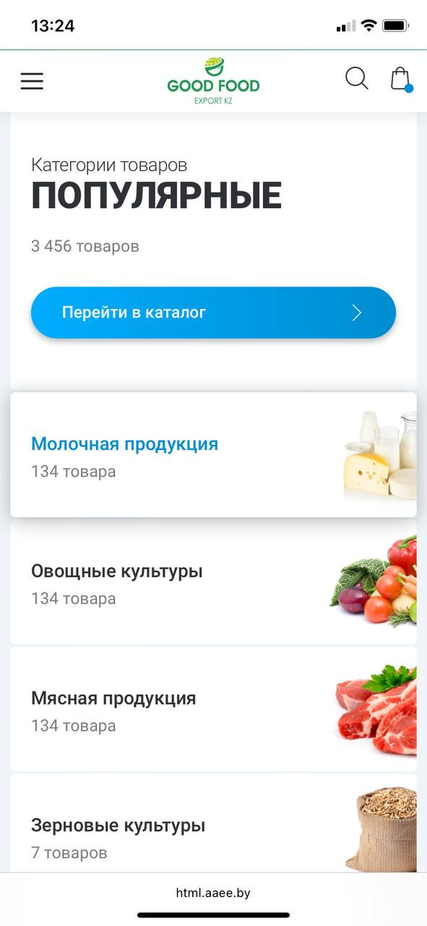

Test ID 3#
Precondition | Environment: PC, Windows 10 ,resolution: 1920x1200, Google Chrome Browser. User is on: https://html.aaee.by/goodfood/

1. | Open web-page, menu "Catalog". | Web-page and menu are open.Works correctly. | Pass | 